chap8_E14_15
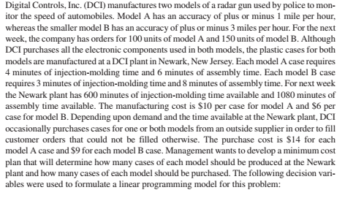
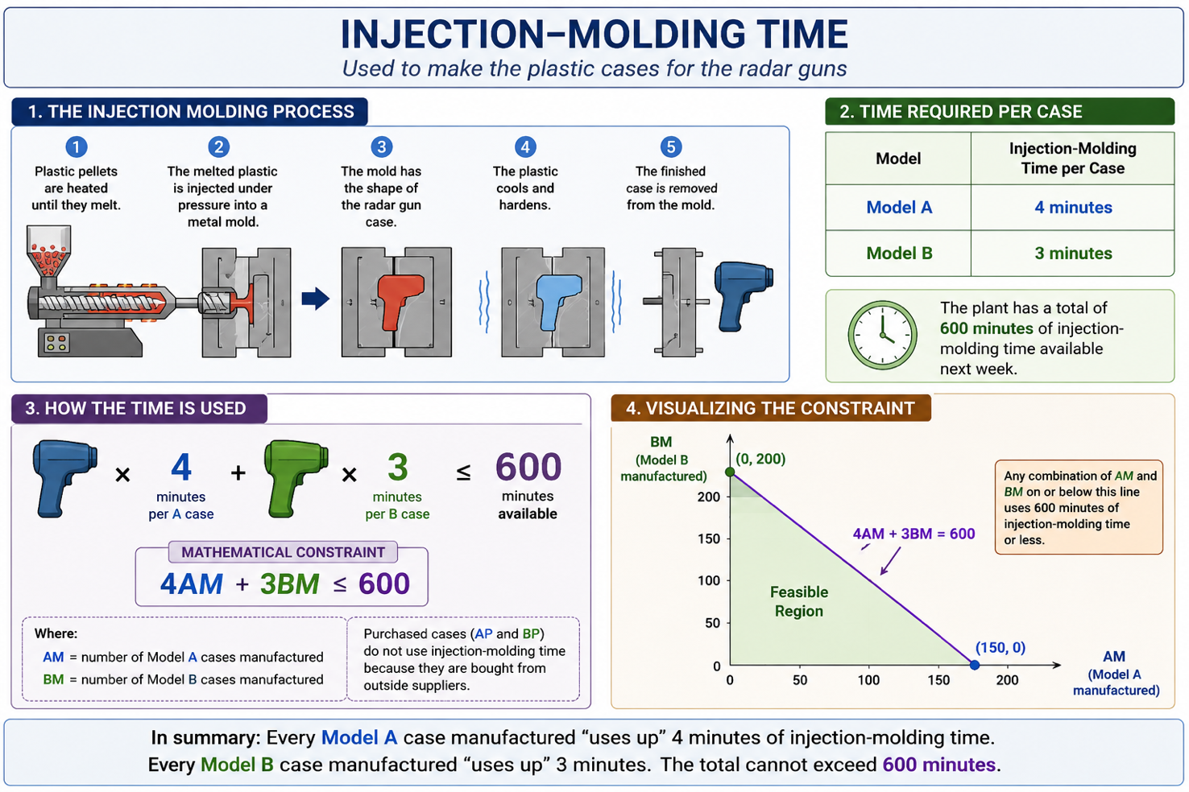
Problem data | Radar speed gun's plastic case
 | Model A | Model B | Resource Limit
 | larger gun model | smaller gun model
Accuracy (mph) | ±1 mph | ± 3 mph
demand (units) | 100 | 150
manufacturing cost ($) per case | 10 | 6
outside purchase cost ($) per case | 14 | 9
Injection-molding time (min) per case | 4 | 3 | 600
Assembly time (min) per case | 6 | 8 | 1080

Model
minimum cost plan | 2170

Decision vars |  | cost ($) per case | injection-molding time (min) per case | assembly time (min) per case |  | constraint
# model A cases manufactured (AM) | 100 | 10 | 4 | 6 | demand for A | 100 | = | 100
# model A cases purchased (AP) | 0 | 14 | 0 | 0 | demand for B | 150 | = | 150
# model B cases manufactured (BM) | 60 | 6 | 3 | 8 | injection molding time | 580 | <= | 600
# model B cases purchased (BP) | 90 | 9 | 0 | 0 | assembly time | 1080 | <= | 1080

MockTest_E2
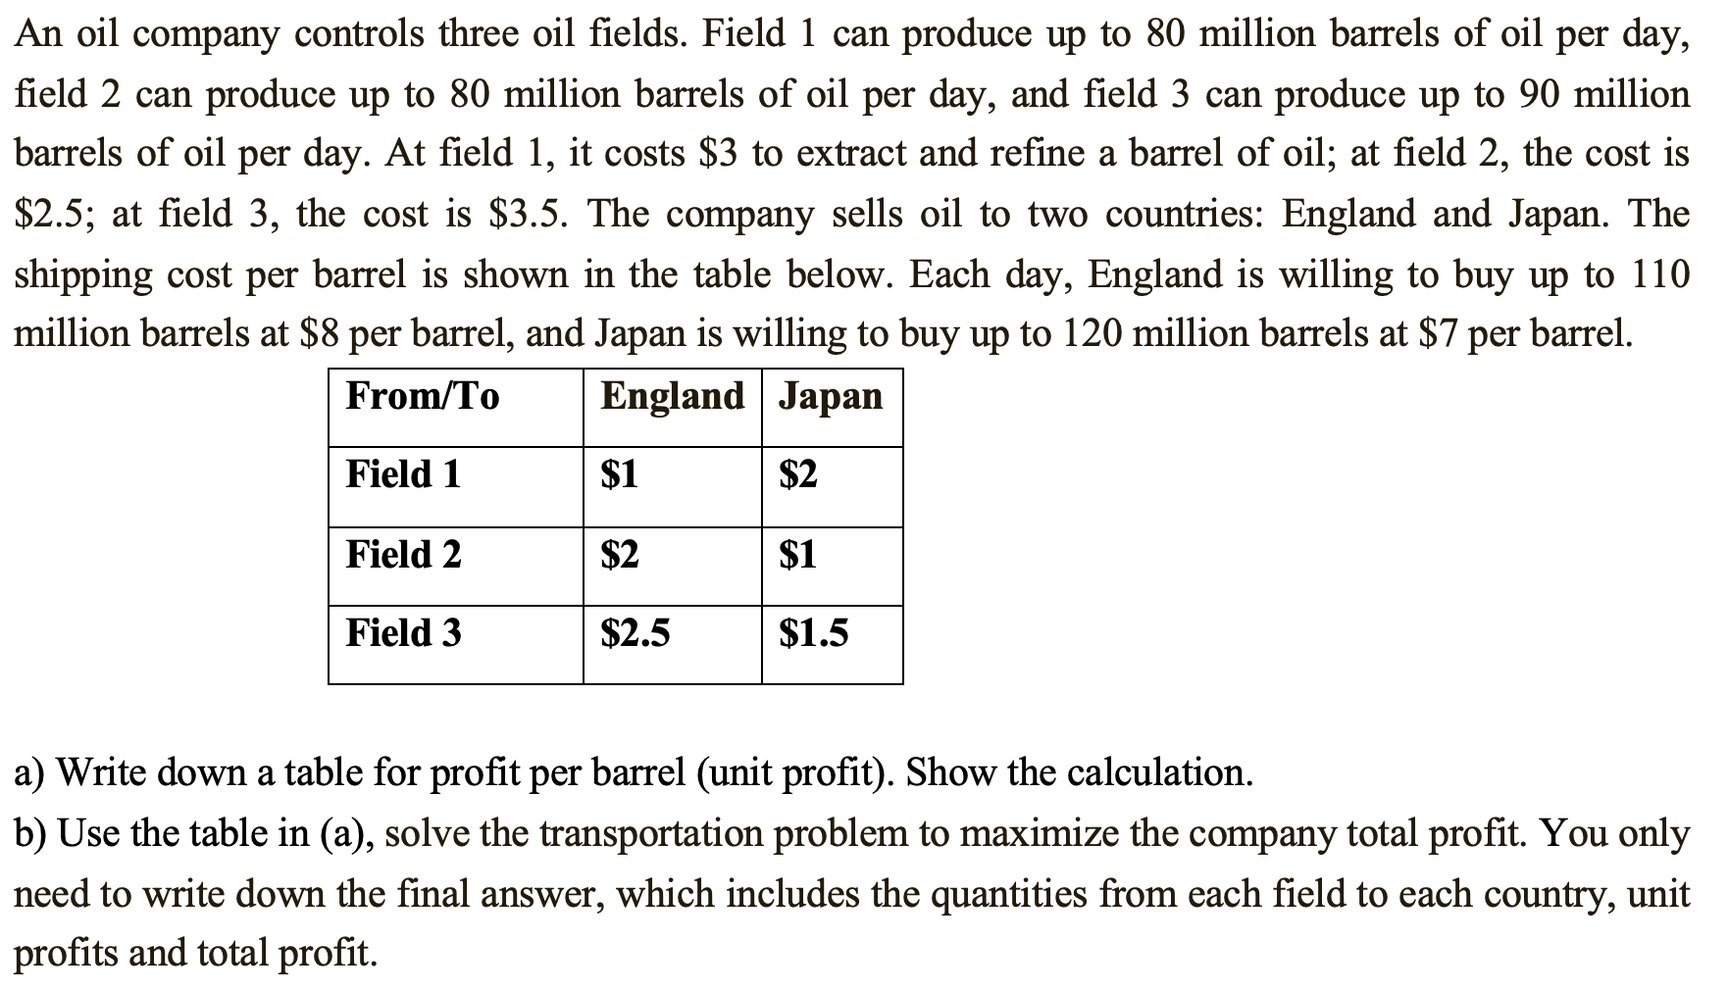
Supply (oil fields) |  |  | Unit profit ($ per barrel)
oil field | daily capacity (barrels) | Extracting & refining cost ($) per barrel
field 1 | 80000 | 3 | From / To | England | Japan
field 2 | 80000 | 2.5 | field 1 | 4 | 2
field 3 | 90000 | 3.5 | field 2 | 3.5 | 3.5
 |  |  | field 3 | 2 | 2
Shipping cost ($ per barrel)
From / To | England | Japan
field 1 | 1 | 2 | Problem data for the transportation prob
field 2 | 2 | 1
field 3 | 2.5 | 1.5 |  | Destination
 |  |  | Origin | to England | to Japan | Supply
Demand (countries) |  |  | oil field 1 | 4 | 2 | 80000
Country | Max demand (barrels/d) | Selling price ($/barrel) | oil field 2 | 3.5 | 3.5 | 80000
England | 110000 | 8 | oil field 3 | 2 | 2 | 90000
Japan | 120000 | 7 | Demand | 110000 | 120000

 |  |  | Model | ? Quantities from each oil field to each country
 |  |  | maximize total profit
 |  |  | 740000
 |  |  |  | Destination
 |  |  | Origin | to England | to Japan | Supply (LHS) | <= | RHS supply
 |  |  | from oil field 1 | 80000 | 0 | 80000 | <= | 80000
 |  |  | from oil field 2 | 30000 | 50000 | 80000 | <= | 80000
 |  |  | from oil field 3 | 0 | 70000 | 70000 | <= | 90000
 |  |  | Total | 110000 | 120000
 |  |  |  | = | =
 |  |  | Demand | 110000 | 120000

chap8_E27
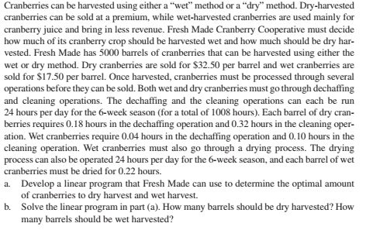
Cranberry harvesting methods

Harvesting methods | price ($) per barrel | dechaffing (hr/barrel) | cleaning (hr/barrel) | drying (hr/barrel)
wet-harvested | 17.5 | 0.04 | 0.1 | 0.22
dry-harvested | 32.5 | 0.18 | 0.32 | 0
total <= 5000 barrels |  | <= 1008 hr | <= 1008 hr | <= 1008 hr

Model
maximize total revenue
122136.36364

 | Method | price ($) per barrel | dechaffing (hr/barrel) | cleaning (hr/barrel) | drying (hr/barrel)
wet-harvested | 2690.9090909 | 17.5 | 0.04 | 0.1 | 0.22
dry-harvested | 2309.0909091 | 32.5 | 0.18 | 0.32 | 0
 | 5000 |  | 523.27272727 | 1008 | 592
Limit | 5000 |  | 1008 | 1008 | 1008

chap8_E21
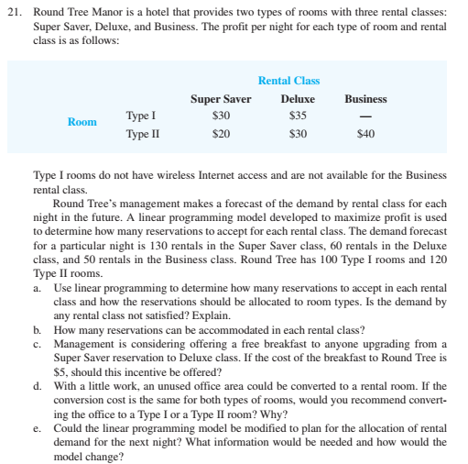
Model
maximize total profit
7000
Profit per night ($)
 | Rental class
Room | Super Saver | Deluxe | Business
Room type I | 30 | 35 | 0
Room type II | 20 | 30 | 40

 | Rental class
Room | Super Saver | Deluxe | Business | Total | Room availability
Room type I | 100 | 0 | 0 | 100 | 100
Room type II | 10 | 60 | 50 | 120 | 120
 | 110 | 60 | 50
Demand_limit | 130 | 60 | 50

